ART
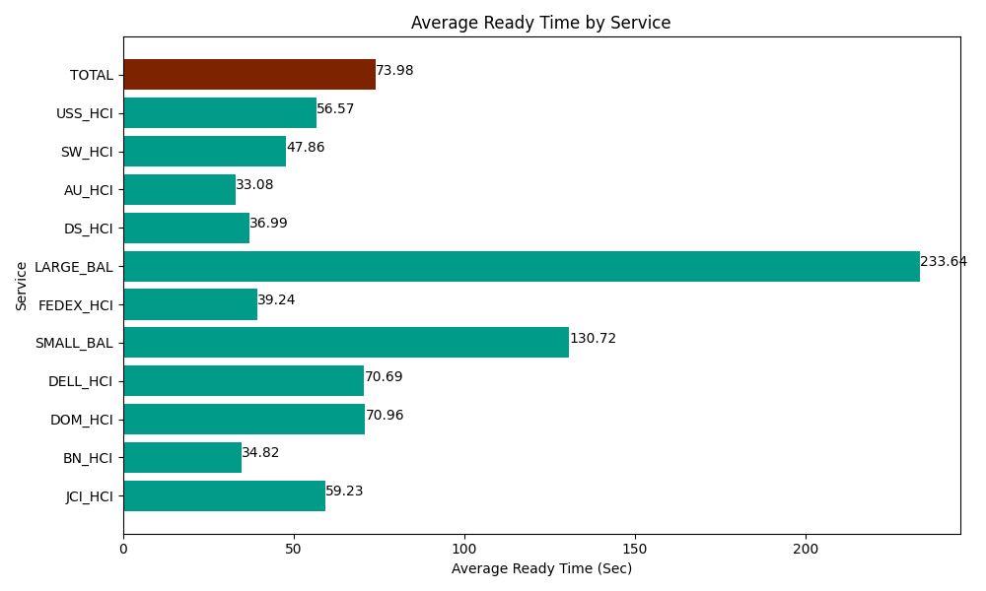
Date | Service | Successful Op Transfer | In Call (Sec) | Ready (Sec) | Wrapup (Sec) | Not Ready (Sec) | Average Ready Time (Sec)
04-03-2024 | JCI_HCI | 440 | 43966.801758 | 26059.799194 | 51310.198975 | 30842.999268 | 59.23
04-03-2024 | BN_HCI | 864 | 65613.00293 | 30082.199707 | 119314.79736 | 56521.201172 | 34.82
04-03-2024 | DOM_HCI | 209 | 12310.19989 | 14830.19989 | 22191.000366 | 1801.8000412 | 70.96
04-03-2024 | DELL_HCI | 102 | 8581.2002563 | 7210.1998901 | 17730 | 10278.000183 | 70.69
04-03-2024 | SMALL_BAL | 50 | 4749.0000916 | 6535.8000183 | 7153.8002014 | 4233.0001831 | 130.72
04-03-2024 | FEDEX_HCI | 69 | 7483.2000732 | 2707.8000641 | 5437.7998352 | 8640 | 39.24
04-03-2024 | LARGE_BAL | 5 | 223.80000114 | 1168.1999588 | 637.19999313 | 454.79999542 | 233.64
04-03-2024 | DS_HCI | 871 | 53304.001465 | 32220 | 88048.198242 | 79168.798828 | 36.99
04-03-2024 | AU_HCI | 159 | 9340.7995605 | 5260.1998901 | 14734.80011 | 12726.000366 | 33.08
04-03-2024 | SW_HCI | 162 | 7909.2004395 | 7753.7997437 | 13138.200073 | 12143.999634 | 47.86
04-03-2024 | USS_HCI | 163 | 28720.799561 | 9220.7995605 | 20215.200806 | 11751.000366 | 56.57
 | TOTAL | 3094 | 242202.00603 | 143048.99792 | 359911.19596 | 228561.60004 | 73.98

